Sheet1
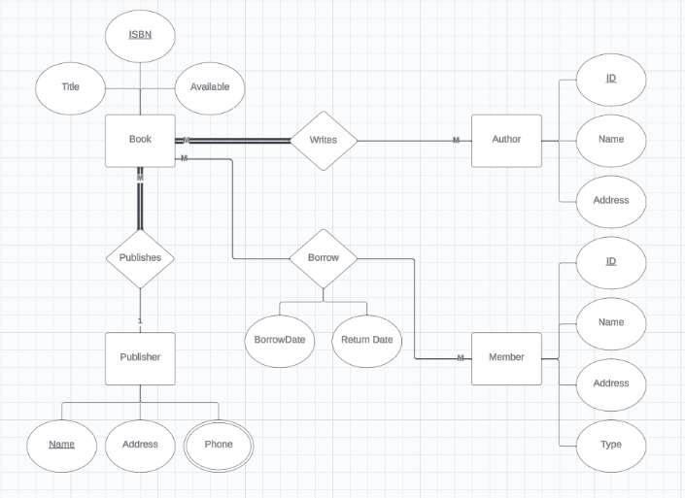
 |  |  |  | Book |  |  |  |  | BookAuthors
 |  |  |  | ISBN | Title | Available | Pname |  | ISBN | AuthorID

 |  |  |  | Member |  |  |  |  | Pphones
 |  |  |  | ID | Name | Address | Type |  | Pname | Phone

 |  |  |  | Publisher |  |  | Borrowing
 |  |  |  | Name | Address |  | ISBN | MID | Bdate | Rdate

 |  |  |  | Author
 |  |  |  | ID | Name | Address

Composite Primary Key |  |  |  |  |  | One to One Relation

Customers |  |  | CustomerPhone |  |  | Dean |  |  | Faculty
ID | Name |  | CustID | Phone |  | ID | Name |  | ID | Name | DeanID
1 | Mrihan |  | 1 | 123
2 | Meran |  | 1 | 222 |  | Who is the Dean of Faculty X?
 |  |  | 2 | 222
 |  |  | 2 | 123 |  | Which Faculty Does Dean Y Manages?

M to M
Office |  |  |  | Tanent
ID | Location | Phone |  | ID | Name | Phone

 | Transaction
 | OfficeID | TID | Date | Duration | Payment

